Raw Material_1
Process Name | : | Raw Material
PIC | : | Mrs. Eka
Interval | : | After Monthly Inventory
Start

Goods Received
 |  |  | Receiving Dept

MC Input to TOPS
 |  |  | Created Received Dept

TOPS Process the Data

JTOPS Output
 |  |  |  |  |  |  | Problem :
 |  |  |  |  |  |  | 1. Amount Different because rounded two decimal compare five decimal
 |  |  |  | VH89 | INVW24 Receive |  | Counter measure :
 |  |  |  | VH89 | INVW25 Other Receive |  | We only using softcopy data
 |  |  |  | VH89 | INVW26 Return | Result based on inventory | For the hardcopy prepare using decimal by Japan.
 |  |  |  | VH89 | INVW27 Issue | release after closed inventory day | 2. IQC or Others Dept , input transaction after inventory cutt off.
 |  |  |  | VH89 | INVW28 Other Issue |  | Countermeasure :
 |  |  |  | VG85 | Mat Ledger (Summary) | Beginning of month | Jein Internal, must consistent with the schedule of inventory cutt off
Compare data VH89 vs VG85
 |  |  |  |  |  |  | Input of the date transaction as default to one month after based on system, follow JEIN Schedule
 |  |  |  | Compare all of VH89 data
 |  |  |  | vs VG85 Mat Ledger
 |  |  |  | Compare price, sun system can accept only 2 digits. |  |  | Problem After Change :
 |  |  |  |  |  |  | 1. Amount Different because rounded two decimal compare five decimal
Check and compare amount rounded
 |  |  |  |  |  |  | Counter measure :
 |  |  |  |  |  |  | We only using softcopy data
 |  |  |  |  |  |  | For the hardcopy prepare using decimal by Japan.
Acct have to compare with hardcopy due to some times they found different between VH89 softcopy and VH89 Hardcopy
 |  |  |  |  |  |  | Actual:
 |  |  |  |  |  |  | For Hardcopy and softcopy already using 2 decimal starting closing Aug19 & not found discrepancy,
Create Journal VH89
 |  |  |  |  |  |  | but if we compare with Hardcopy detail and hardcopy summary is difference now, usually they are match.
 |  |  |  |  |  |  | For now condition we difficult to found the discrepancy. For the detail please see on sheet 1.

Check difference
 |  |  |  | Check difference between All VH89 softcopy
 |  |  |  | vs VH89 Hardcopy

Create Ledger Import
 |  |  |  | Ledger import is the template
 |  |  |  | that can be accepted by
 |  |  |  | sun system

Import Process to Sun System

Finish

Sheet1
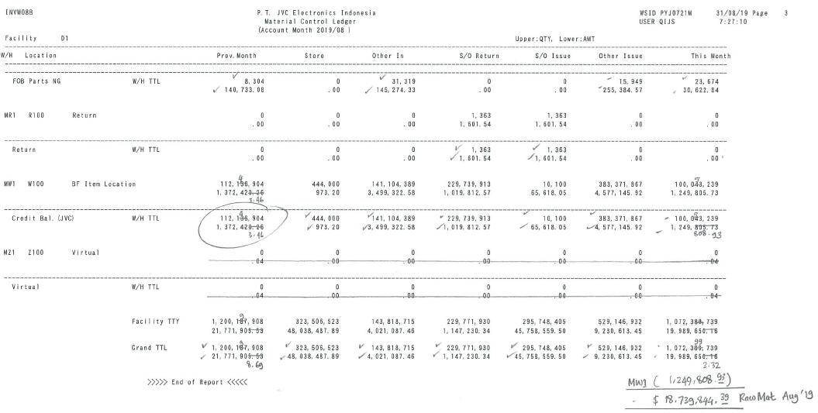
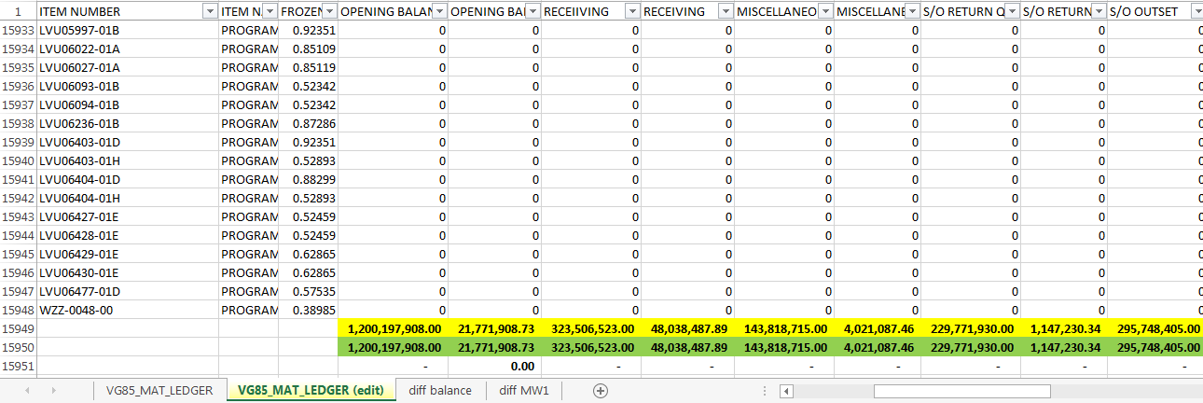
1. CLOSING JULY 2019

The condition on closing July is Softcopy & hardcopy of VH89 (detail) not match, but the hardcopy for VH89 (detail) is macth with summary Hardcopy (INVW 08B) & softcopy (VG85_Mat_Ledger)

VH89_INVW26B_201907_SOFTCOPY | VH89_INVW26B_HARDCOPY
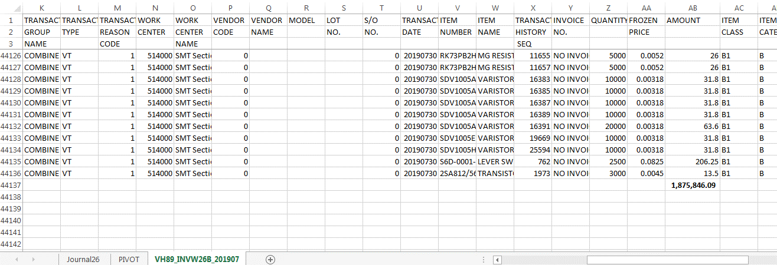
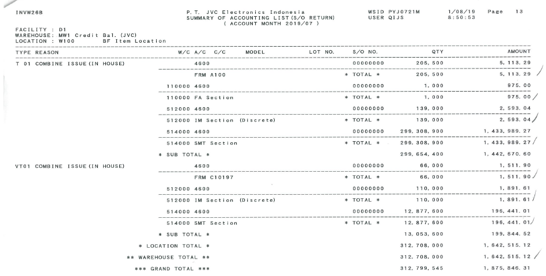

Summary Hardcopy (INVW 08B) |  |  | Softcopy (VG85_Mat_Ledger)
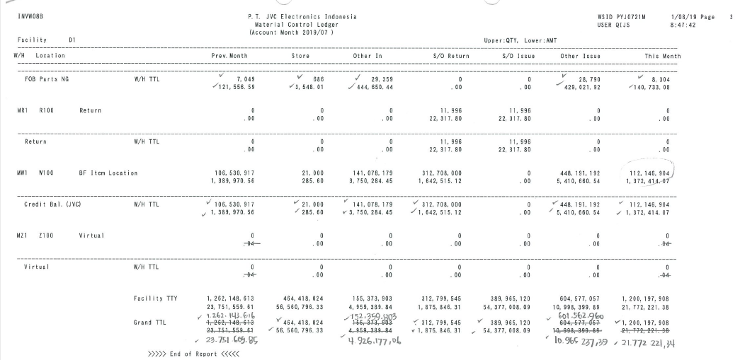

2. CLOSING AUG 2019

The condition on closing Aug is Softcopy & hardcopy of VH89 (detail) is match, but the VH89 (detail) is not macth with summary Hardcopy (INVW 08B) & softcopy (VG85_Mat_Ledger)

VH89_INVW26B_201907_SOFTCOPY | VH89_INVW26B_HARDCOPY
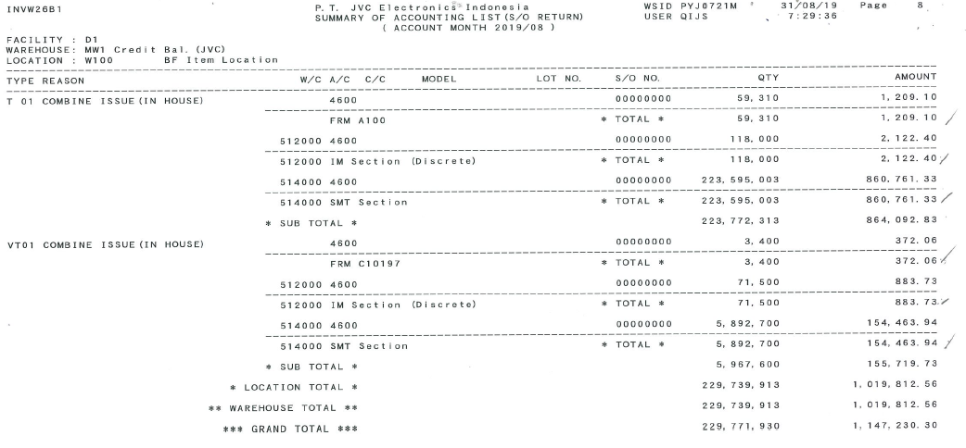
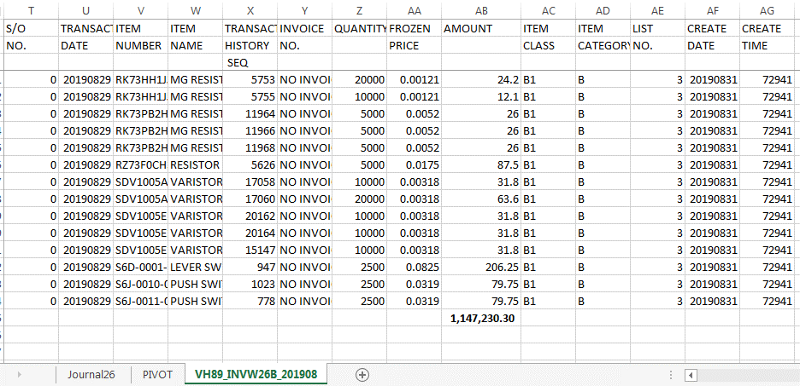

Summary Hardcopy (INVW 08B) |  | Softcopy (VG85_Mat_Ledger)

